FALL-WINTER
TARGET MEASUREMENTS (SMALL)

Measurements in CM | LIGHTWEIGHT BOXY SWEATER (RAGLAN SLEEVE) | BOXY TUNIC SWEATER | RELAXED SWEATER | BOXY SWEATER (RAGLAN SLEEVE) | CLASSIC BLOUSE
ACROSS SHOULDER | -- | 72 | 60 | -- | 36
CHEST (circumference) | 115 | 122 | 106 | 116 | 100
SWEEP EDGE (circumference) | 106 | 125 | 95 | 102 | 108
SLEEVE LENGTH | 69 | 39 | 48 | 69 | 65
BODY LENGTH | 58 | FRONT-63 BACK- 67 | 55 | 58 | 63

 | 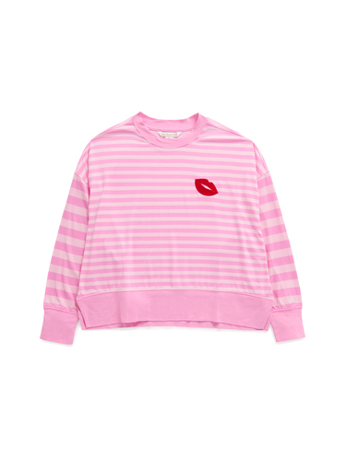 | 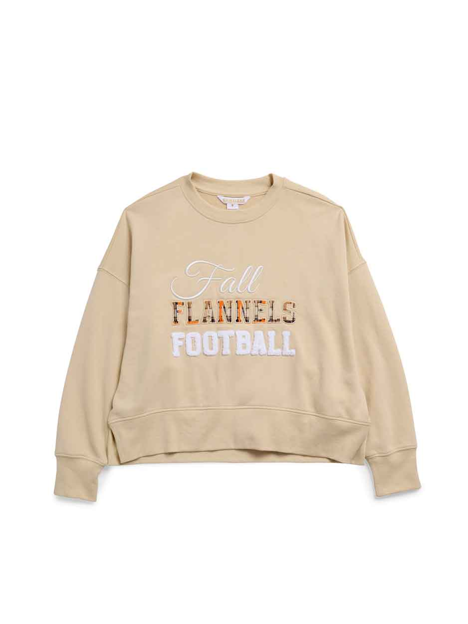 |  |  |  | 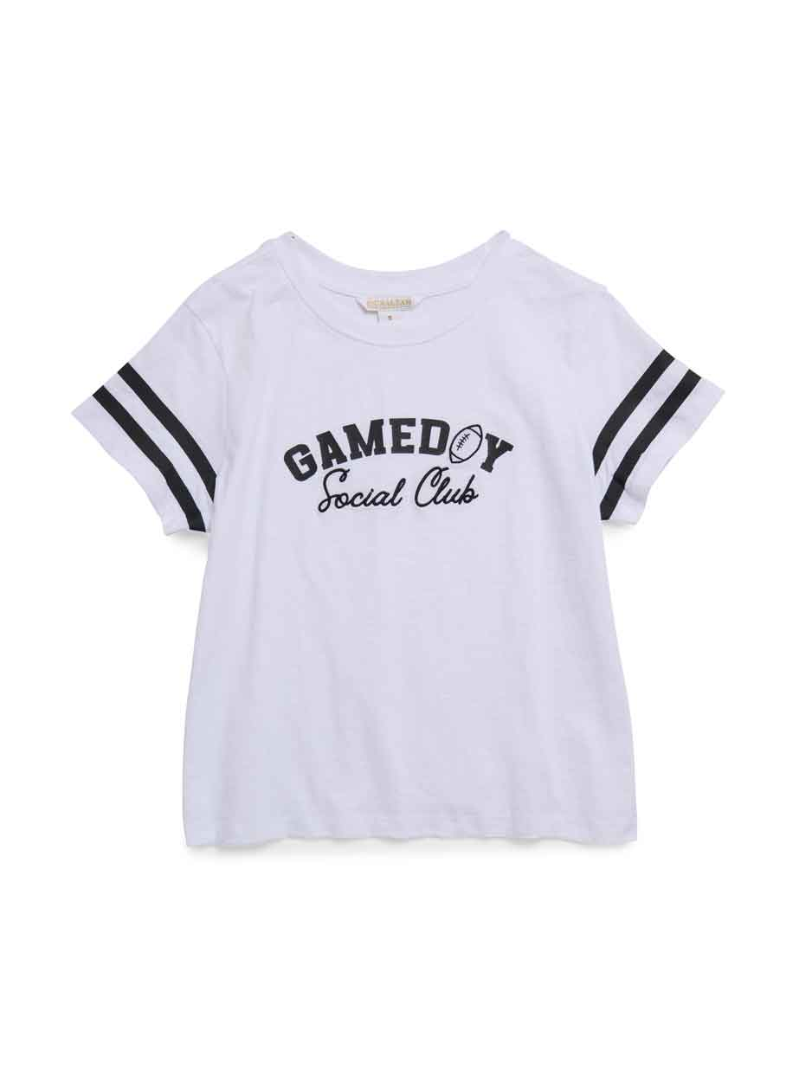 | 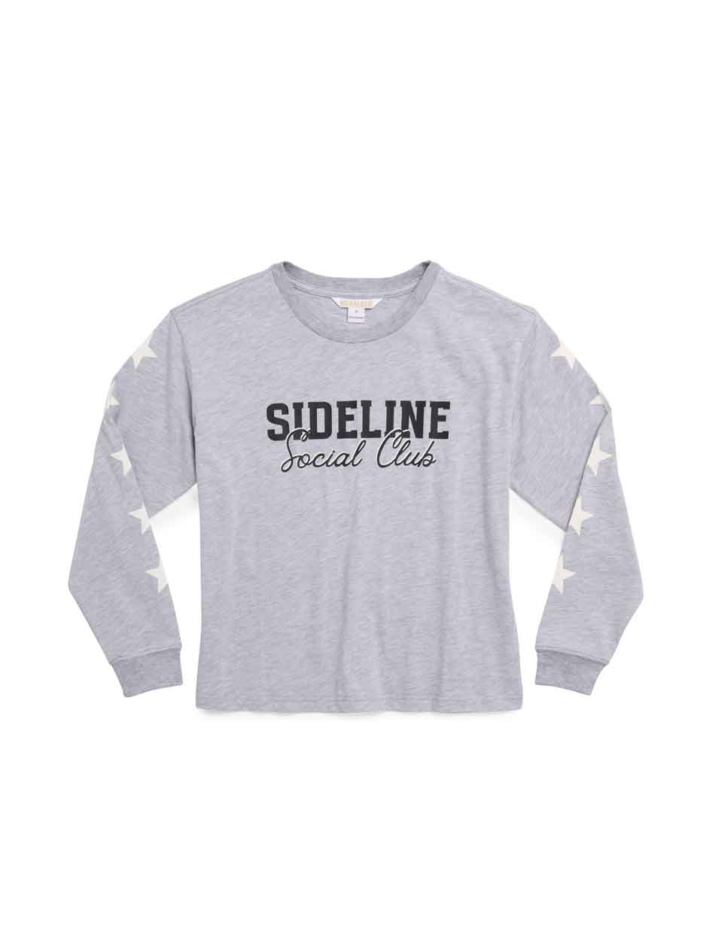
Measurements in CM | CLASSIC SWEATSHIRT | RELAXED SWEATSHIRT | LOUNGE SWEATSHIRT | RELAXED SWEATER | CLASSIC SWEATER (RAGLAN SLEEVE) | RELAXED T-SHIRT | LONGSLEEVE T-SHIRT | PJ SET- TOP
ACROSS SHOULDER | 55 | 62 | 56 | 66 | -- | 43 | 50 | 62
CHEST (circumference) | 106 | 120 | 110 | 114 | 100 | 106 | 108 | 120
SWEEP EDGE (circumference) | 90 | 106 | 124 | 95 | 88 | 108 | 105 | 106
SLEEVE LENGTH | 50 | 45 | 51 | 46 | 71 | 16 | 55 | 45
BODY LENGTH | 63 | FRONT-54 BACK- 56 | FRONT-56 BACK- 58 | 56 | 61 | 60 | 60 | FRONT-54 BACK- 56
 |  |  | CENTER BACK SWEEP DROP OF 5cm
TARGET MEASUREMENTS
 |  |  | 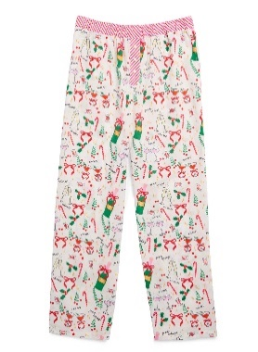
Measurements in CM | BOXER SHORT | BOXER PANT | PJ SET-PANT
INSEAM | 4 | 72 | 72

SPRING-SUMMER
TARGET MEASUREMENTS (SMALL)
 |  | 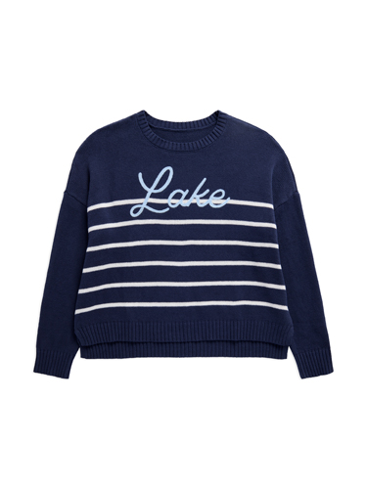 | 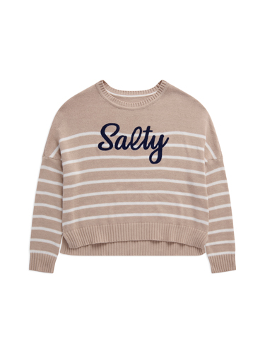 | 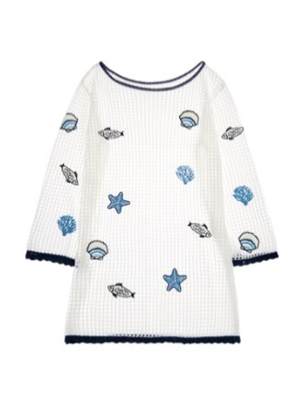 | 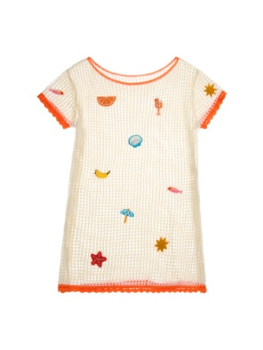 | 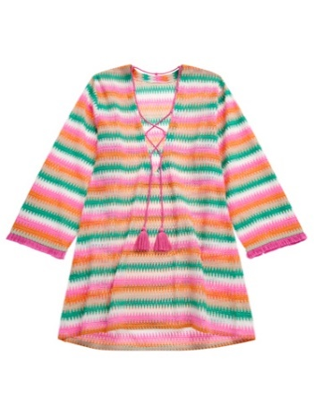 | 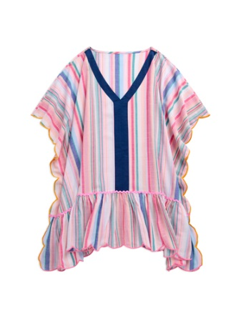 | 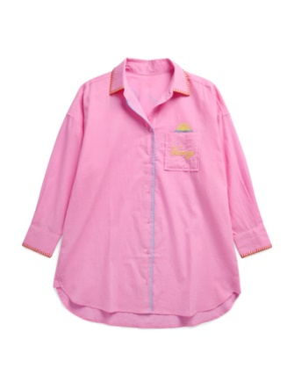
Measurements in CM | PJ SET- TOP | RELAXED FIT SWEATER | RELAXED FASHION FIT SWEATER | LONG SLEEVE KNIT COVER-UP | SHORT SLEEVE KNIT COVER-UP | WOVEN COVER-UP | ONE SIZE COVER-UP | COVER-UP SHIRT | RELAXED T-SHIRT
ACROSS SHOULDER | 62 | 63 | 72 | 48 | 48 | 42 | 98 | 64 | 43
CHEST (circumference) | 120 | 118 | 120 | 108 | 108 | 104 | 136 | 119 | 106
SWEEP EDGE (circumference) | 106 | 116 | 112 | 118 | 118 | 126 | 425 | 126 | 108
SLEEVE LENGTH | 45 | 43 | 38 | 54 | 15 | 24 | N/A | 45 | 16
BODY LENGTH | FRONT-54 BACK- 56 | FRONT-56 BACK- 59 | 67 | 84 | 84 | 86 | 86 | FRONT-82 BACK- 85 | 60

TARGET MEASUREMENTS

Measurements in CM
INSEAM

OLD
TARGET MEASUREMENTS (SMALL)
 |  |  |  |  |  | 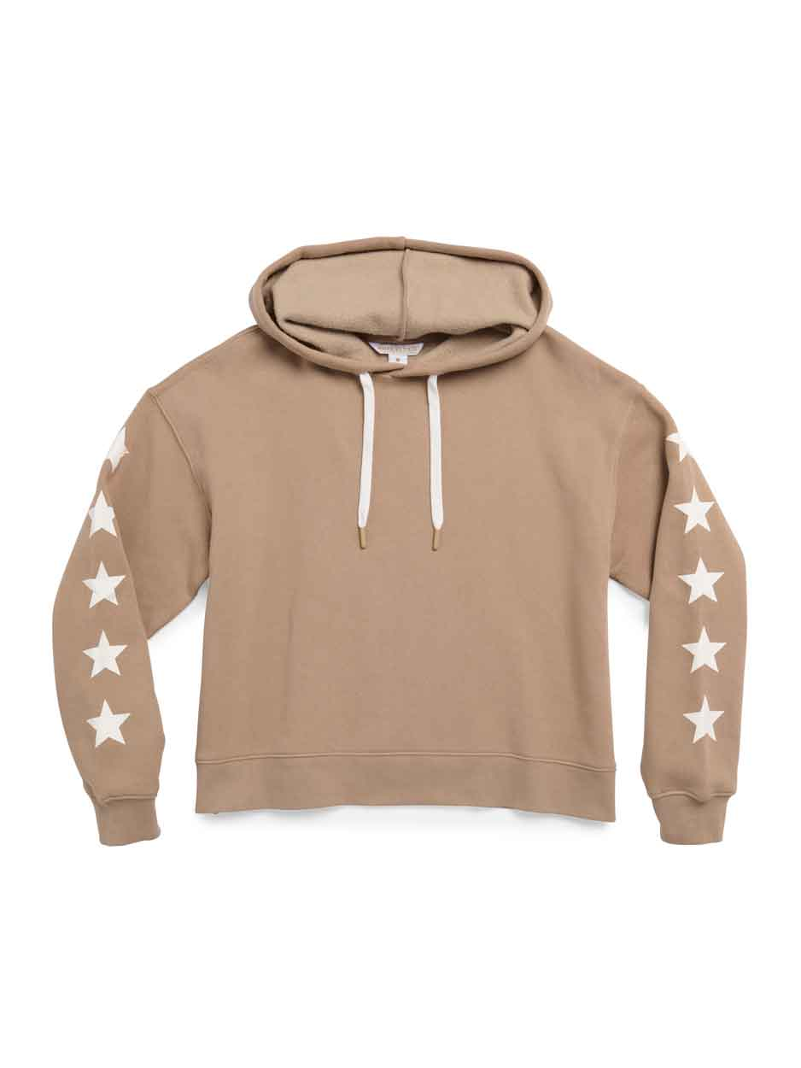
Measurements in CM | CLASSIC SWEATSHIRT | RELAXED SWEATSHIRT | LOUNGE SWEATSHIRT | RELAXED SWEATER | CLASSIC SWEATER (RAGLAN SLEEVE) | HOODIE | RELAXED T-SHIRT | LONGSLEEVE T-SHIRT
ACROSS SHOULDER | 55 | 62 | 56 | 66 | -- | 55 | 43 | 50
CHEST (circumference) | 106 | 120 | 110 | 114 | 100 | 112 | 106 | 108
SWEEP EDGE (circumference) | 90 | 106 | 124 | 95 | 88 | 110 | 108 | 105
SLEEVE LENGTH | 50 | 45 | 51 | 46 | 71 | 51 | 16 | 55
BODY LENGTH | 63 | FRONT-54 BACK- 56 | FRONT-56 BACK- 58 | 56 | 61 | 58 | 60 | 60
 |  |  | CENTER BACK SWEEP DROP OF 5cm

Measurements in CM | PJ SET- TOP | RELAXED FIT SWEATER | RELAXED FASHION FIT SWEATER | LONG SLEEVE KNIT COVER-UP | SHORT SLEEVE KNIT COVER-UP | WOVEN COVER-UP | ONE SIZE COVER-UP | COVER-UP SHIRT
ACROSS SHOULDER | 62 | 63 | 72 | 48 | 48 | 42 | 98 | 64
CHEST (circumference) | 120 | 118 | 120 | 108 | 108 | 104 | 136 | 119
SWEEP EDGE (circumference) | 106 | 116 | 112 | 118 | 118 | 126 | 425 | 126
SLEEVE LENGTH | 45 | 43 | 38 | 54 | 15 | 24 | N/A | 45
BODY LENGTH | FRONT-54 BACK- 56 | FRONT-56 BACK- 59 | 67 | 84 | 84 | 86 | 86 | FRONT-82 BACK- 85

TARGET MEASUREMENTS

Measurements in CM | LOUNGE SHORT | BOXER SHORT | BOXER PANT | PJ SET-PANT
INSEAM | 9 | 4 | 74 | 74

